Daily Power Station Chart_15-01
Plant_20/03/2025Chart

Plant:odco1 |  |  | Installed Capacity:111.180kWp
Today Yield(kWh):559.500kWh |  | Today Earning:223800.000TND |  | Today Full Load Hours(h):5.03h

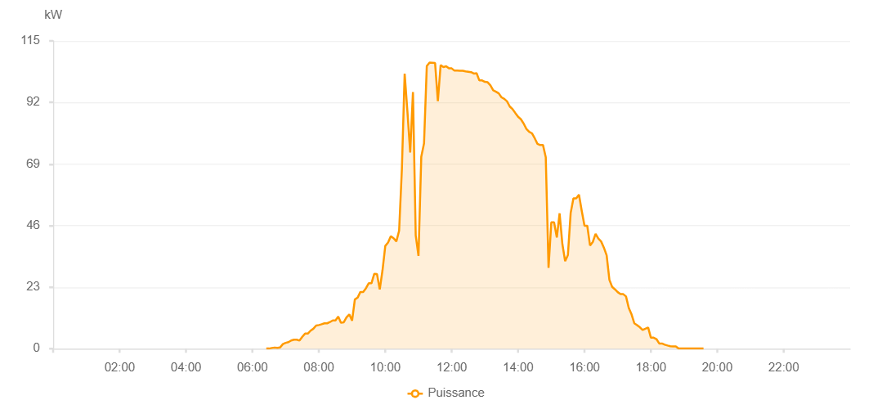

Number | Time | Working State | PV(W) | Instantaneous Radiation(W/㎡)
1 | 06:25:00 | Online | 40.00000 | 0
2 | 06:30:00 | Online | 40.00000 | 0
3 | 06:35:00 | Online | 270.00000 | 0
4 | 06:40:00 | Online | 420.00000 | 1.00000
5 | 06:45:00 | Online | 330.00000 | 3.00000
6 | 06:50:00 | Online | 490.00000 | 6.00000
7 | 06:55:00 | Online | 1710.00000 | 9.00000
8 | 07:00:00 | Online | 2170.00000 | 18.00000
9 | 07:05:00 | Online | 2440.00000 | 16.00000
10 | 07:10:00 | Online | 3060.00000 | 20.00000
11 | 07:15:00 | Online | 3380.00000 | 26.00000
12 | 07:20:00 | Online | 3380.00000 | 27.00000
13 | 07:25:00 | Online | 3030.00000 | 25.00000
14 | 07:30:00 | Online | 4420.00000 | 34.00000
15 | 07:35:00 | Online | 5620.00000 | 36.00000
16 | 07:40:00 | Online | 5620.00000 | 36.00000
17 | 07:45:00 | Online | 6720.00000 | 51.00000
18 | 07:50:00 | Online | 7450.00000 | 66.00000
19 | 07:55:00 | Online | 8650.00000 | 66.00000
20 | 08:00:00 | Online | 8830.00000 | 72.00000
21 | 08:05:00 | Online | 9140.00000 | 81.00000
22 | 08:10:00 | Online | 9480.00000 | 90.00000
23 | 08:15:00 | Online | 9480.00000 | 84.00000
24 | 08:20:00 | Online | 9940.00000 | 86.00000
25 | 08:25:00 | Online | 10540.00000 | 78.00000
26 | 08:30:00 | Online | 10540.00000 | 78.00000
27 | 08:35:00 | Online | 12030.00000 | 93.00000
28 | 08:40:00 | Online | 9660.00000 | 93.00000
29 | 08:45:00 | Online | 9870.00000 | 85.00000
30 | 08:50:00 | Online | 11700.00000 | 83.00000
31 | 08:55:00 | Online | 12810.00000 | 104.00000
32 | 09:00:00 | Online | 10470.00000 | 93.00000
33 | 09:05:00 | Online | 18380.00000 | 111.00000
34 | 09:10:00 | Online | 19080.00000 | 155.00000
35 | 09:15:00 | Online | 21190.00000 | 173.00000
36 | 09:20:00 | Online | 21190.00000 | 178.00000
37 | 09:25:00 | Online | 22560.00000 | 209.00000
38 | 09:30:00 | Online | 24430.00000 | 209.00000
39 | 09:35:00 | Online | 24430.00000 | 197.00000
40 | 09:40:00 | Online | 27930.00000 | 250.00000
41 | 09:45:00 | Online | 27910.00000 | 297.00000
42 | 09:50:00 | Online | 22120.00000 | 352.00000
43 | 09:55:00 | Online | 29330.00000 | 401.00000
44 | 10:00:00 | Online | 38400.00000 | 432.00000
45 | 10:05:00 | Online | 39640.00000 | 280.00000
46 | 10:10:00 | Online | 42000.00000 | 360.00000
47 | 10:15:00 | Online | 41260.00000 | 374.00000
48 | 10:20:00 | Online | 40070.00000 | 352.00000
49 | 10:25:00 | Online | 44080.00000 | 367.00000
50 | 10:30:00 | Online | 67160.00000 | 458.00000
51 | 10:35:00 | Online | 102730.00000 | 394.00000
52 | 10:40:00 | Online | 88630.00000 | 401.00000
53 | 10:45:00 | Online | 73300.00000 | 373.00000
54 | 10:50:00 | Online | 95870.00000 | 1129.00000
55 | 10:55:00 | Online | 42310.00000 | 1129.00000
56 | 11:00:00 | Online | 34640.00000 | 1076.00000
57 | 11:05:00 | Online | 71640.00000 | 983.00000
58 | 11:10:00 | Online | 76700.00000 | 595.00000
59 | 11:15:00 | Online | 105600.00000 | 964.00000
60 | 11:20:00 | Online | 106900.00000 | 995.00000
61 | 11:25:00 | Online | 106820.00000 | 981.00000
62 | 11:30:00 | Online | 106730.00000 | 983.00000
63 | 11:35:00 | Online | 92480.00000 | 333.00000
64 | 11:40:00 | Online | 105970.00000 | 995.00000
65 | 11:45:00 | Online | 105230.00000 | 964.00000
66 | 11:50:00 | Online | 105520.00000 | 964.00000
67 | 11:55:00 | Online | 104730.00000 | 966.00000
68 | 12:00:00 | Online | 104730.00000 | 968.00000
69 | 12:05:00 | Online | 103890.00000 | 965.00000
70 | 12:10:00 | Online | 103890.00000 | 964.00000
71 | 12:15:00 | Online | 103840.00000 | 960.00000
72 | 12:20:00 | Online | 103830.00000 | 955.00000
73 | 12:25:00 | Online | 103610.00000 | 952.00000
74 | 12:30:00 | Online | 103480.00000 | 946.00000
75 | 12:35:00 | Online | 103340.00000 | 946.00000
76 | 12:40:00 | Online | 102800.00000 | 939.00000
77 | 12:45:00 | Online | 102910.00000 | 939.00000
78 | 12:50:00 | Online | 100220.00000 | 930.00000
79 | 12:55:00 | Online | 100240.00000 | 921.00000
80 | 13:00:00 | Online | 99710.00000 | 852.00000
81 | 13:05:00 | Online | 99550.00000 | 911.00000
82 | 13:10:00 | Online | 98380.00000 | 901.00000
83 | 13:15:00 | Online | 96550.00000 | 893.00000
84 | 13:20:00 | Online | 96030.00000 | 844.00000
85 | 13:25:00 | Online | 95400.00000 | 834.00000
86 | 13:30:00 | Online | 93910.00000 | 863.00000
87 | 13:35:00 | Online | 93350.00000 | 852.00000
88 | 13:40:00 | Online | 92430.00000 | 844.00000
89 | 13:45:00 | Online | 90480.00000 | 834.00000
90 | 13:50:00 | Online | 89490.00000 | 821.00000
91 | 13:55:00 | Online | 88060.00000 | 810.00000
92 | 14:00:00 | Online | 86640.00000 | 782.00000
93 | 14:05:00 | Online | 85720.00000 | 782.00000
94 | 14:10:00 | Online | 84120.00000 | 774.00000
95 | 14:15:00 | Online | 82110.00000 | 760.00000
96 | 14:20:00 | Online | 81050.00000 | 748.00000
97 | 14:25:00 | Online | 80470.00000 | 736.00000
98 | 14:30:00 | Online | 78640.00000 | 721.00000
99 | 14:35:00 | Online | 76540.00000 | 693.00000
100 | 14:40:00 | Online | 76070.00000 | 681.00000
101 | 14:45:00 | Online | 76070.00000 | 681.00000
102 | 14:50:00 | Online | 71550.00000 | 667.00000
103 | 14:55:00 | Online | 30190.00000 | 598.00000
104 | 15:00:00 | Online | 47230.00000 | 234.00000
105 | 15:05:00 | Online | 47230.00000 | 433.00000
106 | 15:10:00 | Online | 41560.00000 | 483.00000
107 | 15:15:00 | Online | 50580.00000 | 483.00000
108 | 15:20:00 | Online | 39110.00000 | 407.00000
109 | 15:25:00 | Online | 32690.00000 | 275.00000
110 | 15:30:00 | Online | 35020.00000 | 557.00000
111 | 15:35:00 | Online | 50710.00000 | 509.00000
112 | 15:40:00 | Online | 56140.00000 | 524.00000
113 | 15:45:00 | Online | 56140.00000 | 419.00000
114 | 15:50:00 | Online | 57560.00000 | 557.00000
115 | 15:55:00 | Online | 51500.00000 | 502.00000
116 | 16:00:00 | Online | 45930.00000 | 471.00000
117 | 16:05:00 | Online | 45930.00000 | 318.00000
118 | 16:10:00 | Online | 38540.00000 | 415.00000
119 | 16:15:00 | Online | 39880.00000 | 360.00000
120 | 16:20:00 | Online | 42930.00000 | 116.00000
121 | 16:25:00 | Online | 41120.00000 | 384.00000
122 | 16:30:00 | Online | 40080.00000 | 369.00000
123 | 16:35:00 | Online | 37770.00000 | 318.00000
124 | 16:40:00 | Online | 34900.00000 | 170.00000
125 | 16:45:00 | Online | 25720.00000 | 116.00000
126 | 16:50:00 | Online | 23070.00000 | 107.00000
127 | 16:55:00 | Online | 22170.00000 | 107.00000
128 | 17:00:00 | Online | 21130.00000 | 100.00000
129 | 17:05:00 | Online | 20400.00000 | 143.00000
130 | 17:10:00 | Online | 20370.00000 | 156.00000
131 | 17:15:00 | Online | 19530.00000 | 103.00000
132 | 17:20:00 | Online | 15230.00000 | 118.00000
133 | 17:25:00 | Online | 12810.00000 | 76.00000
134 | 17:30:00 | Online | 9500.00000 | 66.00000
135 | 17:35:00 | Online | 8810.00000 | 54.00000
136 | 17:40:00 | Online | 8000.00000 | 47.00000
137 | 17:45:00 | Online | 6980.00000 | 37.00000
138 | 17:55:00 | Online | 7890.00000 | 32.00000
139 | 18:00:00 | Online | 4110.00000 | 31.00000
140 | 18:05:00 | Online | 4120.00000 | 28.00000
141 | 18:10:00 | Online | 3580.00000 | 28.00000
142 | 18:15:00 | Online | 1930.00000 | 17.00000
143 | 18:20:00 | Online | 1930.00000 | 2.00000
144 | 18:25:00 | Online | 1480.00000 | 12.00000
145 | 18:30:00 | Online | 1180.00000 | 7.00000
146 | 18:35:00 | Online | 940.00000 | 7.00000
147 | 18:40:00 | Online | 860.00000 | 0
148 | 18:45:00 | Online | 860.00000 | 0
149 | 18:50:00 | Online | 50.00000 | 0
150 | 18:55:00 | Online | 40.00000 | 0
151 | 19:00:00 | Online | 50.00000 | 0
152 | 19:05:00 | Online | 50.00000 | 0
153 | 19:10:00 | Online | 40.00000 | 0
154 | 19:15:00 | Online | 40.00000 | 0
155 | 19:20:00 | Online | 40.00000 | 0
156 | 19:25:00 | Online | 40.00000 | 0
157 | 19:30:00 | Online | 40.00000 | 0
158 | 19:35:00 | Online | 40.00000 | 0
159 | 19:55:00 | Online | 0.00001 | 0.00001

